Dala Sales & Deliveries
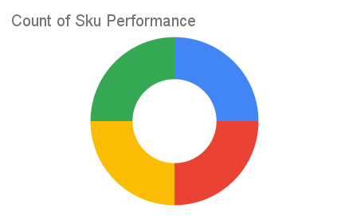
 | Total Invoices Delivered | 7.00 | Sku Performance | Units | Value
 | Unique Locations Supplied | 7.00 | 500g Grandios Brown Pap (20x) | 1.25 | 40,000.00
 | Total Value of orders | 235,800.00 | 500g Grandios White Pap (20x) | 2.25 | 72,000.00
 |  |  | 500g Grandios Yellow Pap (20x) | 3.25 | 104,000.00
 |  |  | 50g Grandios White Pap (120x) | 1.00 | 19,800.00
 |  |  |  | 0.00 | 0.00
 |  |  |  | 0.00 | 0.00
 |  |  |  | 0.00 | 0.00
 |  |  |  | 0.00 | 0.00
 |  |  |  | 0.00 | 0.00
 |  |  |  | 0.00 | 0.00
2025-04-11 |  |  |  | 0.00 | 0.00
 |  |  |  | 0.00 | 0.00

